Sheet1
VCU pin out V2.3

 |  |  |  |  |  |  |  |  |  | MPC2515 | Pinout
 |  |  |  |  |  |  |  |  |  | CS | G5
 | 24P connector on cable |  |  |  |  |  |  |  |  | MISO | G19
1 | Out1 | A3 | PP | ENABLE | AC ON | PWM3 | G4 | GND | 8 | MOSI | G23
9 | Out2 | A2 | CAN L | BMS | CAN1L | PWM2 | G0 | 5V | 16 | SCK | G18
17 | Out3 | A1 | CAN H | Heater | CAN1H | PWM1 | Cp | 12V | 24 | INT | G15

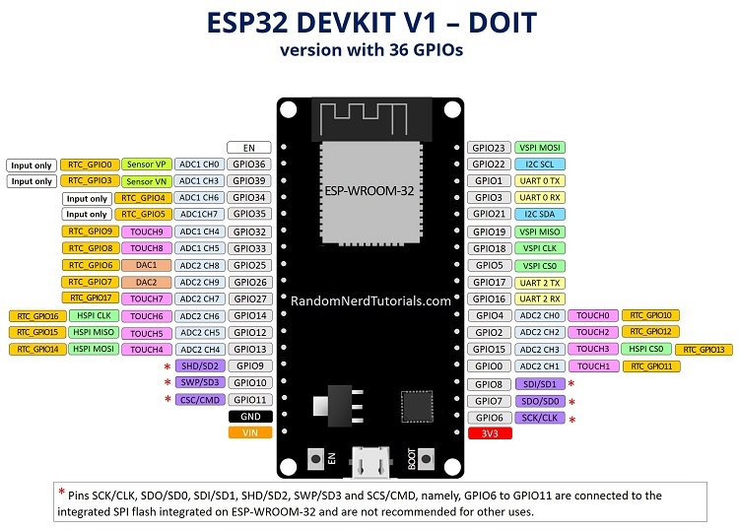
 | Function VCU
 | PP | I39 | Input
 | Enable | I35 | Input
 | Heater | I36 | Input
 | AC compressor | I32 | Input
 | Out1 | G26 | Output
 | CANrx | G16 | serial
 | CANtx | G17 | serial
 | PWM1 | G14 | pwm
 | PWM2 | G25 | pwm
 | PWM3 | G33 | pwm
 | DCDC relay | G4 | Output
 | Disable | G0 | Output
 | Out2 | D27 | Output
 | Out3 | D12 | Output
 | Buzzer | D13 | Output
 | Cp signal | G3 | Input
 | Cp relay | G2 | Output
 | Throttle1 | AD1 | Analog
 | Throttle2 | AD2 | Analog
 | Analog3 | AD3 | Analog
 | sense 12V | AD4 | Analog

